Sheet1
Convert volumetric flowrate to a different temp and pressure
Flowrate 1 | 102400.0 | ml/min | 6.144 | m3/h | 0.0017066666667 | m3/s | 102.4 | L/min |  | STP is 15oC and 1barg
Temp 1 | 15.0 | °C |  |  |  |  |  |  |  | NTP is 20oC and 1 barg
Pressure 1 | 0.0 | barg | 0 | Pa.g | 101300 | Pa.a
Temp 2 | 15.0 | °C
Pressure 2 | 0.00000 | barg | 0 | Pa.g | 101300 | Pa.a
Flowrate 2 | 102400.0 | ml/min | 6.14 | m3/h | 0.00170667 | m3/s | 102.4 | L/min
 |  |  |  |  |  |  |  |  |  |  |  |  |  |  |  |  | Air is limited to 1000 L/min
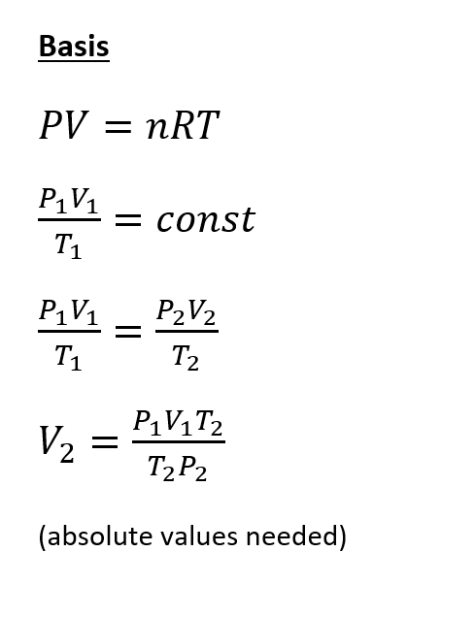
 |  |  |  |  |  |  |  |  |  |  |  |  |  |  |  |  | Argon and Nitrogen is limited to 130 L/min

 |  |  |  |  |  |  |  | Max flow of vent |  | 0.0304 | m3/s | 1824 | L/min | 109.44 | m3/h | @ -375 Pa.g

 |  |  |  |  |  |  | Normal flowrates |  | CFU | 0.1 | L/min | at 1 barg | 0.186 | L/min | @ -375 Pa.g
 |  |  |  |  |  |  |  |  | LIBS | 0.1 | L/min | at 1 barg | 0.186 | L/min | @ -375 Pa.g
 |  |  |  |  |  |  |  |  | TICTOC | 0.5 | L/min | at 2 barg | 1.4 | L/min | @ -375 Pa.g

